pivot_and_chart_for_stores
Row Labels | Average of Total
Atlanta | $253.44
Boston | $1,002.04
Kansas City | $943.67
Miami | $1,016.23
San Antonio | $274.29
Seattle | $247.52
Grand Total | $595.51

Sheet5
Row Labels | Count of Product
Electrical Misc | 150
Hammer | 102
Lumber | 163
Plumbing Misc. | 173
Screwdriver | 147
Grand Total | 735

5a student
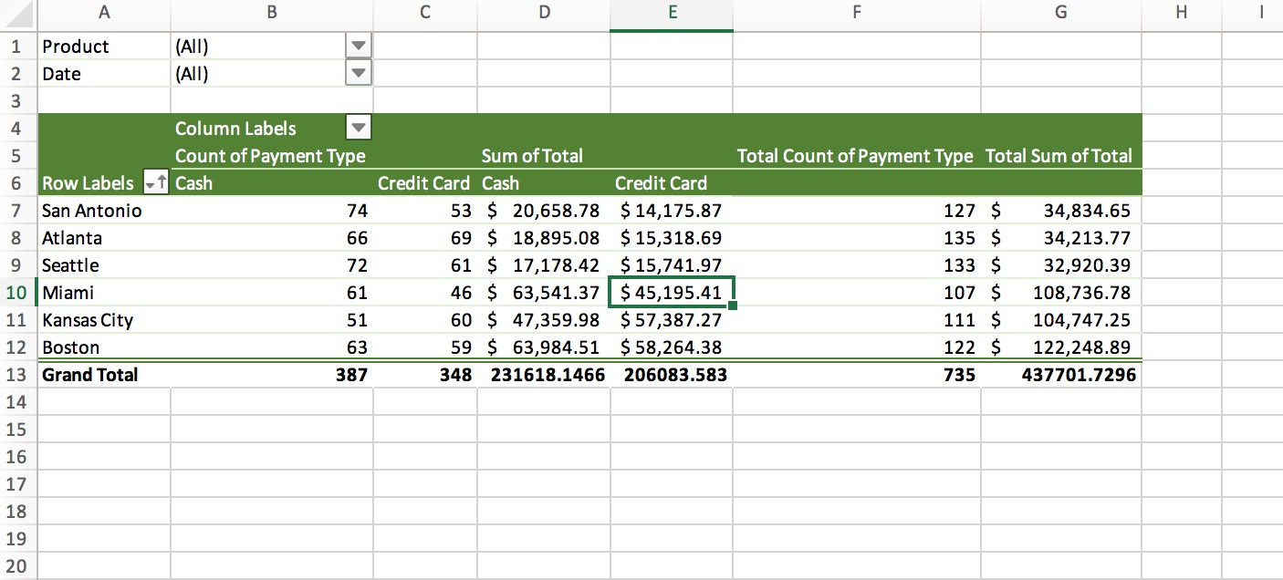

DASH
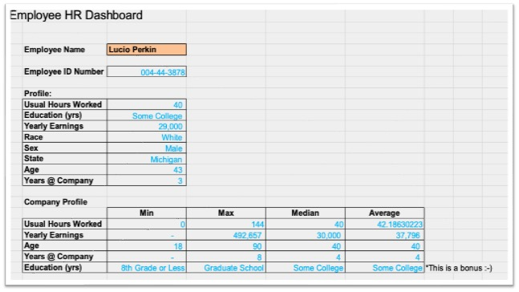
ASSIGNMENT

 | Hey Nour,

 | You are awesome at vlookups and index/match. Can you quickly help me clean up this data on the tab called "Total Company Data"
 | Columns A-H are blank but need to be coded in based off columns I-P.
 | Use the key below to figure out how you should recode the data

 | FILL IN |  | USE:
 | A | Usual Hours Worked | I | HOURS_USUAL | just link to it
 | B | Education (yrs) | K | A_EDUCATION | reference table from "Tables to Convert"
 | C | Yearly Earnings | P | YEARLY_EARNINGS | just link to it
 | D | Race | L | A_RACE | reference table from "Tables to Convert"
 | E | Sex | M | A_SEX | reference table from "Tables to Convert"
 | F | State | N | A_STATE | reference table from "Tables to Convert"
 | G | Age | J | A_AGE | just link to it
 | H | Years @ Company | O | COMPANY_YEARS | just link to it

 | Once you are done with that, can you build a little HR dashboard for our team to use to pull up a profil of each member of our team
 | I got it started on the tab called Dashboard.
 | Just write all the formulas that will let information flow through when you change the name in the orange cell.

 | It should look something like this:

